Instructions
Instructions for using the CHG Income Eligibility Worksheet

1- Enter name, source of income, gross amount per pay period and annualization factor in row 1 of the form.
Use additional rows for different income sources and household members.
See section 4.4.1 of the CHG Guidelines for detail on annualization of income.
See Appendix G of the CHG Guidelines for information on income inclusions and exclusions.
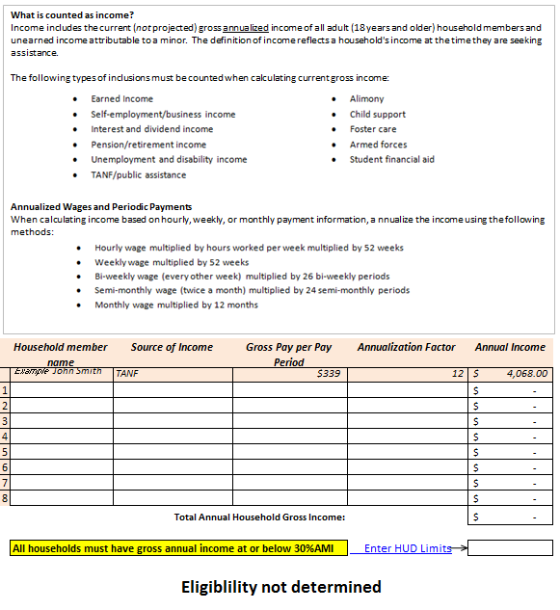

 | 2- Enter income limits based on County, 30% AMI (Extremely Low Income Limits), and family size from the HUD website.

3- Household eligibility will be displayed here.

Eligibility Worksheet
C-3. CHG Income Eligibility Worksheet

What is counted as income?
Income includes the current (not projected) gross annualized income of all adult (18 years and older) household members and unearned income attributable to a minor. The definition of income reflects a household's income at the time they are seeking assistance.
The following types of inclusions must be counted when calculating current gross income:
Annualized Wages and Periodic Payments
When calculating income based on hourly, weekly, or monthly payment information, annualize the income using the following methods:

Date:
 | Household Member Name | Source of Income | Gross Pay per Pay Period | Annualization Factor | Annual Income
 | Example John Smith | SSI | $895 | 12 | $10,740.00
1 |  |  |  |  | $-
2 |  |  |  |  | $-
3 |  |  |  |  | $-
4 |  |  |  |  | $-
5 |  |  |  |  | $-
6 |  |  |  |  | $-
7 |  |  |  |  | $-
8 |  |  |  |  | $-
 |  |  | Total Annual Household Gross Income: |  | $-

 | All households must have gross annual income at or below 30%AMI |  |  | Enter HUD Limits

 | Eligiblility not determined

